Film Data Summary
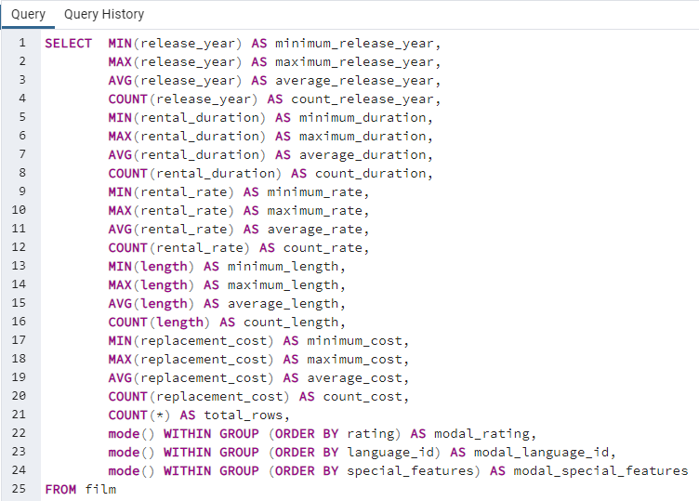
minimum_release_year | maximum_release_year | average_release_year | count_release_year | minimum_duration | maximum_duration | average_duration | count_duration | minimum_rate | maximum_rate | average_rate | count_rate | minimum_length | maximum_length | average_length | count_length | minimum_cost | maximum_cost | average_cost | count_cost | total_rows | modal_rating | modal_language_id | modal_special_features
2006 | 2006 | 2006 | 1000 | 3 | 7 | 4.985 | 1000 | 0.99 | 4.99 | 2.98 | 1000 | 46 | 185 | 115.272 | 1000 | 9.99 | 29.99 | 19.984 | 1000 | 1000 | PG-13 | 1 | {Trailers,Commentaries,"Behind the Scenes"}

Customer Data Summary
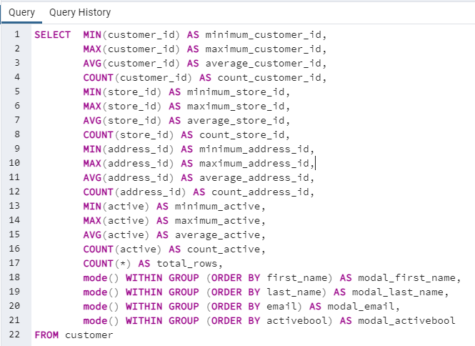
minimum_customer_id | maximum_customer_id | average_customer_id | count_customer_id | minimum_store_id | maximum_store_id | average_store_id | count_store_id | minimum_address_id | maximum_address_id | average_address_id | count_address_id | minimum_active | maximum_active | average_active | count_active | total_rows | modal_first_name | modal_last_name | modal_email | modal_activebool
1 | 599 | 300 | 599 | 1 | 2 | 1.4557595993 | 599 | 5 | 605 | 304.7245409 | 599 | 0 | 1 | 0.97495826377 | 599 | 599 | Jamie | Abney | aaron.selby@sakilacustomer.org | TRUE

Country Data
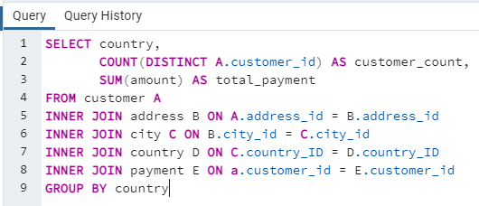
Country | customer_count | total_payment
India | 60 | 6034.78
China | 53 | 5251.03
United States | 36 | 3685.31
Japan | 31 | 3122.51
Mexico | 30 | 2984.82
Brazil | 28 | 2919.19
Russian Federation | 28 | 2765.62
Philippines | 20 | 2219.7
Turkey | 15 | 1498.49
Indonesia | 14 | 1352.69
Nigeria | 13 | 1314.92
Argentina | 13 | 1298.8
Taiwan | 10 | 1155.1
South Africa | 11 | 1069.46
Iran | 8 | 877.96
United Kingdom | 9 | 850.96
Poland | 8 | 786.16
Italy | 7 | 753.26
Germany | 7 | 741.24
Vietnam | 6 | 676.45
Ukraine | 6 | 675.53
Colombia | 6 | 661.54
Egypt | 6 | 659.48
Venezuela | 7 | 632.43
Canada | 5 | 559.7
Netherlands | 5 | 557.73
South Korea | 5 | 527.77
Spain | 5 | 513.8
Yemen | 4 | 473.93
Pakistan | 5 | 473.84
Saudi Arabia | 5 | 452.94
Peru | 4 | 407.01
Thailand | 3 | 401.08
Israel | 4 | 379.13
Ecuador | 3 | 369.18
Bangladesh | 3 | 353.19
Algeria | 3 | 349.18
France | 4 | 334.12
Malaysia | 3 | 330.23
Tanzania | 3 | 322.22
Mozambique | 3 | 315.25
United Arab Emirates | 3 | 305.25
Dominican Republic | 3 | 304.26
Chile | 3 | 303.34
Austria | 3 | 284.3
Morocco | 3 | 274.35
Paraguay | 3 | 273.4
Belarus | 2 | 271.36
Latvia | 2 | 249.43
Switzerland | 3 | 248.41
Kenya | 2 | 245.49
Yugoslavia | 2 | 233.49
Puerto Rico | 2 | 224.48
Romania | 2 | 218.42
Runion | 1 | 211.55
French Polynesia | 2 | 205.52
Greece | 2 | 204.54
Sudan | 2 | 202.51
Azerbaijan | 2 | 198.53
Bulgaria | 2 | 194.52
Kazakstan | 2 | 192.51
Angola | 2 | 187.55
Cameroon | 2 | 186.49
Myanmar | 2 | 179.53
Cambodia | 2 | 179.51
Bolivia | 2 | 178.56
Congo, The Democratic Republic of the | 2 | 168.58
Oman | 2 | 161.56
Holy See (Vatican City State) | 1 | 146.68
Nauru | 1 | 143.7
Sweden | 1 | 139.67
Czech Republic | 1 | 132.72
Moldova | 1 | 127.66
Turkmenistan | 1 | 126.74
Chad | 1 | 122.72
Malawi | 1 | 121.73
Zambia | 1 | 121.7
Virgin Islands, U.S. | 1 | 121.69
Greenland | 1 | 119.72
Armenia | 1 | 118.75
Gambia | 1 | 114.73
Iraq | 1 | 111.73
Hungary | 1 | 111.71
Bahrain | 1 | 108.76
North Korea | 1 | 107.71
Brunei | 1 | 107.66
Kuwait | 1 | 106.75
Estonia | 1 | 105.72
Hong Kong | 1 | 104.76
Sri Lanka | 1 | 103.73
Liechtenstein | 1 | 99.74
Anguilla | 1 | 99.68
French Guiana | 1 | 97.8
Faroe Islands | 1 | 96.76
Senegal | 1 | 95.76
Nepal | 1 | 93.83
Tuvalu | 1 | 93.78
Madagascar | 1 | 92.79
Ethiopia | 1 | 91.77
New Zealand | 1 | 85.77
Slovakia | 1 | 80.77
Finland | 1 | 78.79
Tunisia | 1 | 73.78
Afghanistan | 1 | 67.82
Tonga | 1 | 64.84
Saint Vincent and the Grenadines | 1 | 64.82
Lithuania | 1 | 63.78
American Samoa | 1 | 47.85

Top Citites
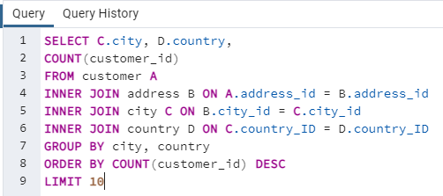
city | country | count
Aurora | United States | 2
London | United Kingdom | 2
Kitwe | Zambia | 1
Adoni | India | 1
Dhule (Dhulia) | India | 1
Xintai | China | 1
Sivas | Turkey | 1
Mahajanga | Madagascar | 1
Nezahualcyotl | Mexico | 1
Escobar | Argentina | 1

Top Customers
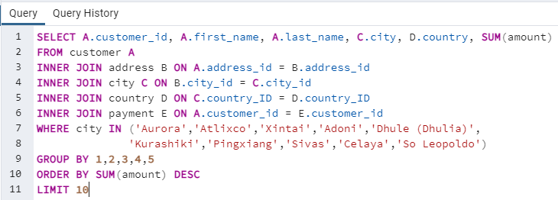
customer_id | first_name | last_name | city | country | sum
84 | Sara | Perry | Atlixco | Mexico | 128.7
518 | Gabriel | Harder | Sivas | Turkey | 108.75
587 | Sergio | Stanfield | Celaya | Mexico | 102.76
537 | Clinton | Buford | Aurora | United States | 98.76
367 | Adam | Gooch | Adoni | India | 97.8
443 | Francisco | Skidmore | Sao Leopoldo | Brazil | 93.79
34 | Rebecca | Scott | Kurashiki | Japan | 89.76
169 | Erica | Matthews | Pingxiang | China | 86.8
440 | Bernard | Colby | Dhule | India | 83.79
564 | Bob | Pfeiffer | Xintai | China | 82.78

